Lawn mower Calibration
Gudie Link （For MOVA LIDAX models） |  | Radar & Camera Joint Calibration Operation Guide (JT16 radar + camera).mp4 |  | Notes
Model | Project code | Calibration Type （For the following models, in addition to repairing the Radar or SOC board, you need to complete）
 |  | Radar calibration | Radar & Camera Joint Calibration | for Radar & Camera Joint Calibration models | for ALL
A1 A1 Pro A1 Pro (new) | P2255 G2422 G2540 | ✔ |  | 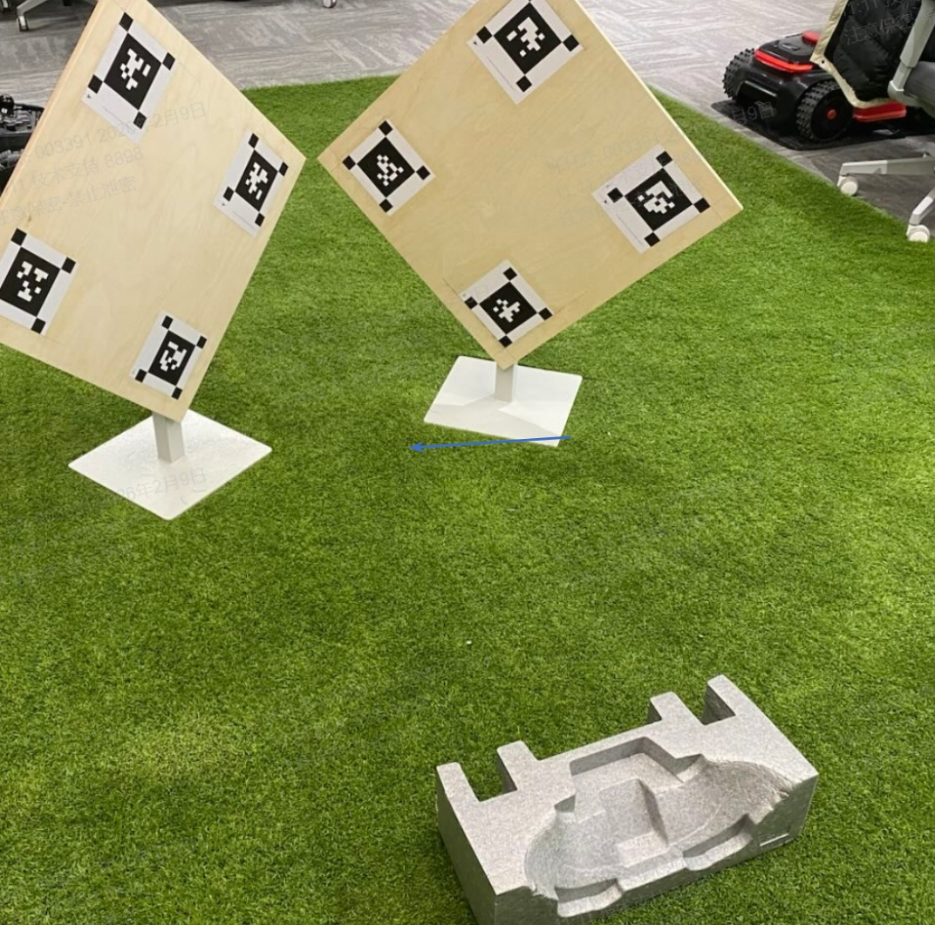 Radar & Camera Joint Calibration tool This calibration is necessary and requires the right tool; Williss has already sent this tool, please acknowledge receipt and use it. Radar calibration has no response or times out for a long time.Please refer following document. Lawn mower Radar calibration has no response or times out for a long time.pptx | After completing the corresponding calibration, please perform the functional diagnosis and running-in test. Technical notification —— Lawn mower.pptx
A2 A2 (new) | G2408 G2568 | ✔
A3 AWD 1000 A3 AWD 1600 A3 AWD 2000 | Q2501A Q2501B Q2501C | ✔
A3 AWD Pro 2500 A3 AWD Pro 3500 A3 AWD Pro 5000 | G2541A G2541B G2541C G2541D G2541E G2541F | ✔
MOVA 600 MOVA 600 (CH) MOVA 600 Kit MOVA 600 Plus MOVA 1000 MOVA 1000 (CH) MOVA 1000 Plus | G2405A G2405B G2405C G2552B G2552C | ✔
NexLawn VIDAR 800 NexLawn VIDAR 1600 | G2538C G2538D | ✔ | ✔
NexLawn VIDAR 3000 | G2582A | ✔ | ✔
LiDAX Pro 600 LiDAX Pro 800 | G2529X G2529Y | ✔ | ✔
LIDAX Ultra 800 LiDAX Ultra 1000 LiDAX Ultra 1200 LIDAX Ultra 1600 LiDAX Ultra 2000 | G2529B G2529C G2529D G2529E G2529F | ✔ | ✔
LIDAX Ultra 1000 AWD LIDAX Ultra 1600 AWD LIDAX Ultra 2000 AWD LIDAX Ultra 3000 AWD | G2584C G2584D G2584A G2584B | ✔ | ✔

